Sheet1
Supplier | Delivery Terms | Loading Address | Place of Unloading | Order # | Tender | Length (cm.) | Width (cm.) | Height (cm.) | Quantity of Packages | Volume | Weight (kg.) | Stackable | Packaging Type | Comment
Supplier N1 | FCA | Jintang North Road, Eastern New District, Wenling City, Taizhou City, Zhejiang Province. | Zestaponi | SBL00006651 | FANS | 86 | 186 | 123 | 1 | 1.97 | 142 | არა | Pallet
 |  |  |  |  |  | 67 | 67 | 20 | 10 | 0.9 | 210 | არა
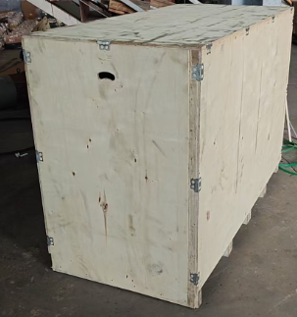
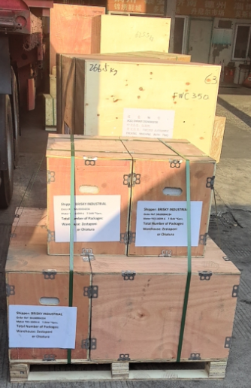
 | FCA | No. 29, District 6, Xiaowang Village, Lunan Street, Luqiao District, Taizhou City, Zhejiang Province; No. 24 Chuangye Road, Sanjia Town, Jiaojiang District, Taizhou City | Zestaponi | SBL00006739 | MOTORS | 100 | 46 | 57 | 6 | 1.57 | 1,470 | არა | Wooden Boxes
 |  |  |  |  |  | 120 | 55 | 67 | 3 | 1.33 | 1,140 | არა
 |  |  |  |  |  | 160 | 75 | 85 | 2 | 2.04 | 2,346 | არა
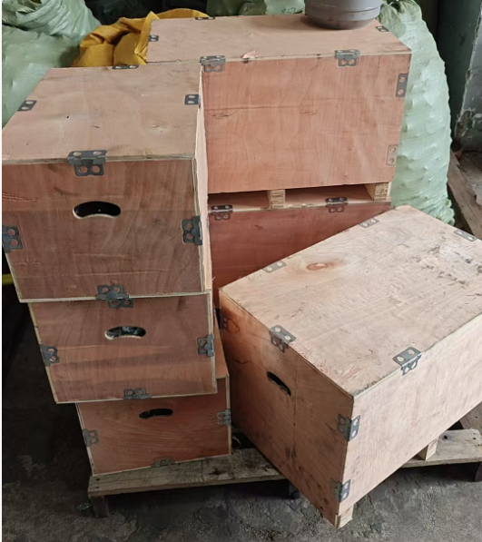
 |  |  |  |  |  | 95 | 42 | 53 | 2 | 0.42 | 400 | არა
 |  |  |  |  |  | 55 | 40 | 40 | 3 | 0.26 | 167 | არა
 |  |  |  |  |  | 165 | 80 | 115 | 1 | 1.52 | 1,670 | არა
 |  |  |  |  |  | 70 | 50 | 55 | 3 | 0.58 | 300 | არა
 | FCA | Nanchang city, Jiangxi Province | Chiatura | SBL00005614 | Bucket | 165 | 112 | 140 | 2 | 5.1744 | 1720 |  | Nude
 | FCA | Shanghai (agent's warehouse) | Chiatura | SBL00007000 | Tires | 164 | 164 | 61 | 6 | 9.843936 | 1896 |  | Nude
 |  |  |  |  |  | 76 | 76 | 21 | 6 | 0.727776 | 150 |  | Nude
 |  |  |  |  | Terminals for Batteries; Tire Repair Switch | 20 | 20 | 20 | 9 | 0.243 | 45 |  | Boxes
Supplier N2 | FOB | Shanghai | Zestaponi | SBL00006566 | Carriage Covers | 110 | 110 | 130 | 4 | 6.292 | 2867 |  | Pallet | 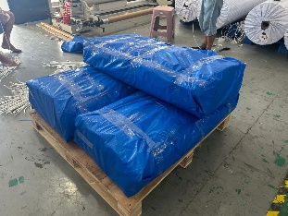
 |  |  |  |  |  | 110 | 110 | 50 | 1 | 0.605 | 100 |  | Bag
Supplier N3 | EXW | No. 1 Dabai lane, Lin'an, Hangzhou, Zhejiang 311300, China | Zestaponi | SBL00006707 | Lights | 127 | 112 | 180 | 1 | 2.56032 | 400 | No | Pallet

 |  |  |  |  |  |  |  |  |  | 36.04 | 15023

