Sheet1
Supplier | Loading Address | Place of Unloading | Order # | Cargo | Length (cm.) | Width (cm.) | Height (cm.) | Quantity of Packages | Volume | Weight (kg.) | Stackable | Packaging Type | Photo
Supplier N1 | FOB Qingdao | Zastaponi | SBL00006345 | Greifers | 260 | 218 | 250 | 1 | 14.17 | 4,500 | არა | Nude | 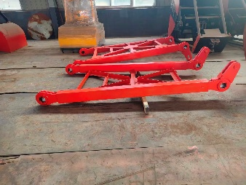 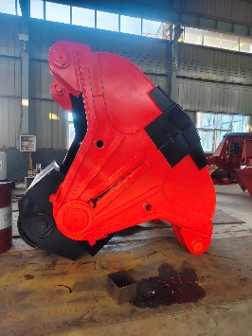 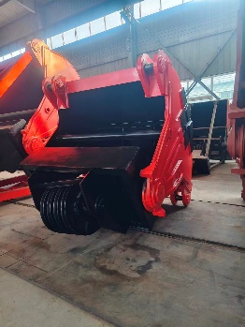 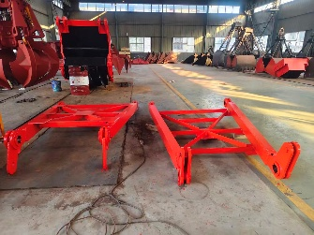
 |  |  |  |  | 292 | 49 | 180 | 2 | 5.15 | 2,000 | არა | Nude
 |  |  |  |  | 130 | 95 | 140 | 1 | 1.73 | 1,000 | არა | Nude
 |  |  |  |  | 306 | 179 | 248 | 1 | 13.58 | 4,500 | არა | Nude
 |  |  |  |  | 292 | 49 | 155 | 2 | 4.44 | 2,000 | არა | Nude
 |  |  |  |  | 130 | 95 | 140 | 1 | 1.73 | 1,000 | არა | Nude
Supplier N2 | EXW No. 19 Warehouse, Middle Section of Haitai Avenue, Zhangdian District, Zibo City, Shandong Province, China |  | SBL00006753 | Centrifugal fan | 120 | 97 | 110 | 3 | 3.84 | 930 | არა | Iron Frame | 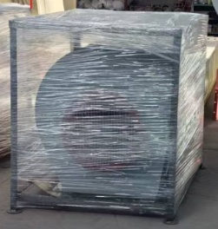
 | FOB Qingdao |  | SBL00006250 | Drilling Bits for Taphole Opening Machine | 70 | 35 | 57 | 1 | 0.14 | 289 | არა | Wooden Box

 |  |  |  |  |  |  |  |  | 44.78 | 16,219

