000001457
Supplier | Delivery Terms | Loading Address | Place of Unloading | Order # | Cargo | Length (cm.) | Width (cm.) | Height (cm.) | Quantity of Packages | Volume | Weight (kg.) | Stackable | Packaging Type
Supplier N1 | EXW | No. 2, Dawei Industrial Park, Tianqiao District, Jinan City, Shandong Province | Chiatura | SBL00005614 | Doosan Hyundai spare parts | 100 | 105 | 35 | 1 | 0.37 | 690 | No | 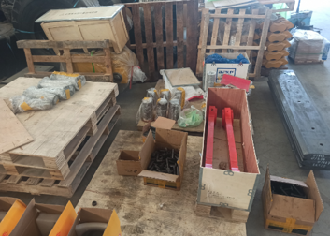 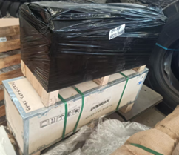
 |  |  |  |  |  | 100 | 32 | 43 | 1 | 0.14 | 240 | No
 |  |  |  |  |  | 155 | 30 | 40 | 1 | 0.19 | 585 | No
 |  |  |  |  |  | 85 | 35 | 45 | 1 | 0.13 | 192 | No
 | EXW | Zhangqiao Town, Zhoucun District, Zibo City, National Highway 309 | Zastafoni | SBL00006651 | FANS | 225 | 75 | 232 | 1 | 3.92 | 480 | No | 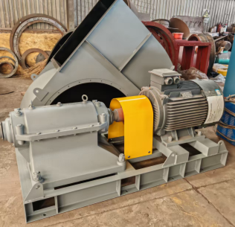
 |  |  |  |  |  | 240 | 90 | 90 | 1 | 1.94 | 680 | No
 |  |  |  |  |  | 130 | 130 | 33 | 1 | 0.56 | 100 | No
 | EXW | Hengshui city | Zastafoni | SBL00006747 | PUMPS & Spares | 100 | 70 | 70 | 1 | 0.49 | 400 | No | 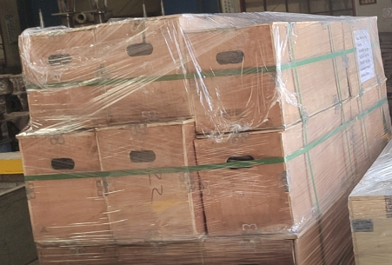
 |  |  |  |  |  | 40 | 40 | 40 | 2 | 0.13 | 50 | No
 | EXW | Intersection of Hongqi Street and Jingyi Road, Anping County, Hengshui City, Hebei Province | Zastafoni/ Chiatura | SBL00007088 | Steel mesh | 485 | 160 | 50 | 5 | 19.4 | 15,000 | Yes | 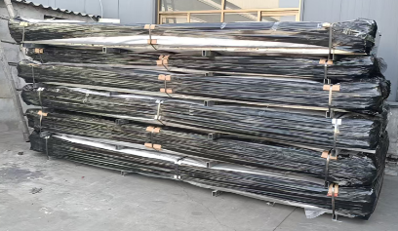
 | EXW | Guangfu Street, Yongnian District, Handan City, Hebei Province | Zastafoni | SBL00006900 | 2025 - H2 - ZFZ - RAIL CR-70 | 1,200 | 12 | 12 | 2 | 0.35 | 1,244 | No
 | FOB | Qingdao | Chiatura | SBL00007047 | rubber plate | 85 | 50 | 15 | 1 | 0.06 | 80 | No
 | FCA | Qingdao | Zestaponi | SBL00006924 | Anti-fatigue drainage mat | 130 | 130 | 70 | 1 | 1.18 | 620 | No
 |  |  | Zestaponi | SBL00005181 | Motors | 100 | 110 | 50 | 1 | 0.55 | 100 | არა
 |  |  |  | SBL00004949
Supplier N2 | EXW | 中国山东省济南市 | Zestafoni | SBL00006558 | Spare Parts | 192 | 55 | 17 | 1 | 0.18 | 650 | არა
 |  |  |  |  |  | 115 | 105 | 72 | 1 | 0.87 | 650 | არა
 |  |  | Chiatura |  |  | 103 | 102 | 85 | 1 | 0.89 | 667 | არა
Supplier N3 | EXW | Zibo | Zestaponi | SBL00006802 | Fasteners | 110 | 110 | 90 | 1 | 1.089 | 683 | Yes | 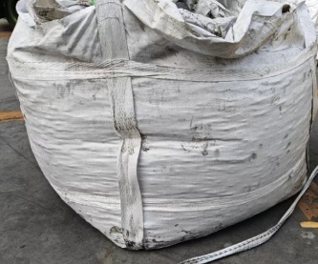 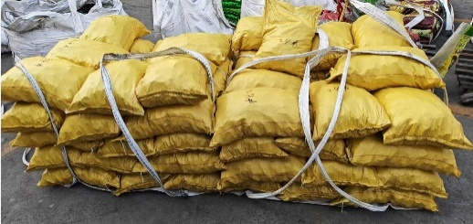 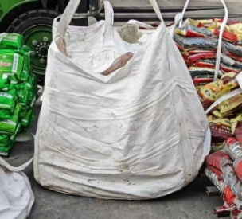
 |  |  | Chiatura |  |  | 110 | 110 | 70 | 2 | 1.69 | 3642 | Yes
 |  |  |  |  |  | 100 | 100 | 70 | 1 | 0.7 | 507 | Yes
Supplier N4 | EXW | Xiyuan, No. 1 Park Avenue, High-tech Zone, Zhengzhou City, Henan Province | Zestaponi | SBL00006390 | Electrical Control Devices | 115 | 22 | 28 | 1 | 0.071 | 31.1
 |  |  | Zestaponi | SBL00006547 | H-2 Danfoss Frequency Inverter | 71 | 28 | 43.0 | 2.0 | 0.2 | 50.0 |  | 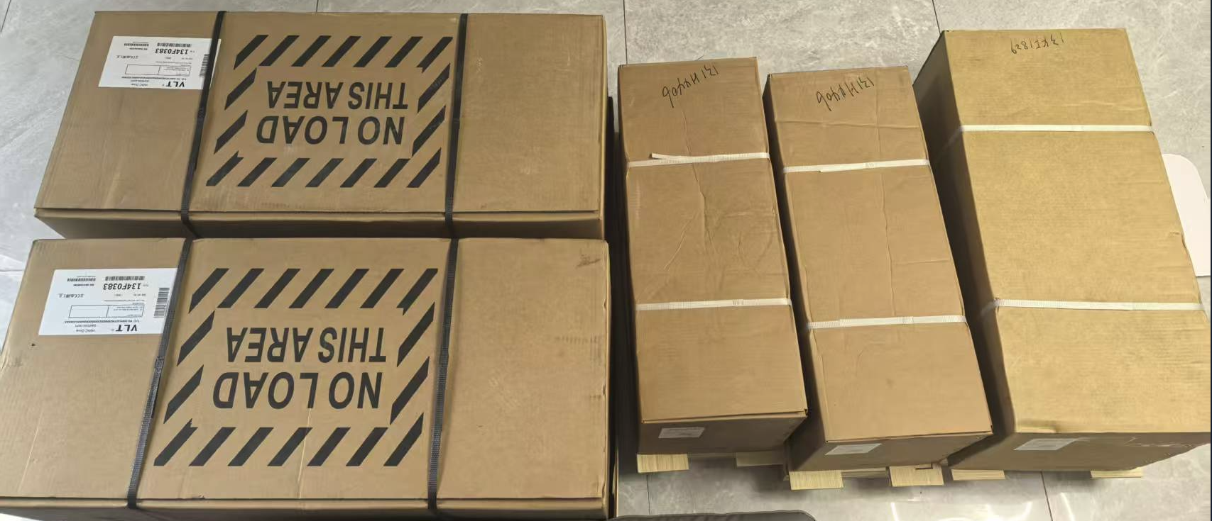
 |  |  |  |  |  | 96 | 42 | 56.0 | 2.0 | 0.5 | 157.0
 |  |  |  |  |  | 77 | 35 | 48.0 | 1.0 | 0.1 | 40.0
 |  |  | Chiatura | SBL00006623 | Various Spare Parts | 32 | 17 | 16.0 | 1.0 | 0.0 | 18.6
 |  |  |  |  |  | 53 | 24 | 8 | 1 | 0.01 | 23.4

 |  |  |  |  |  |  |  |  |  | 35.68 | 27580

