Sheet1
Supplier | Delivery Terms | Loading Address | Place of Unloading | Order # | Cargo | Length (cm.) | Width (cm.) | Height (cm.) | Quantity of Packages | Volume | Weight (kg.) | Packaging Type | Stackable | Photos | Contact Details
Supplier N1 | FOB | Qingdao | Zestaponi | SBL00007373 | Forklift and Spare Forks | 280 | 123 | 214 | 1 | 7.37 | 4,710 | Nude | არა | 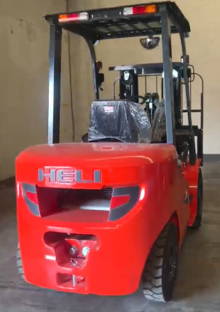 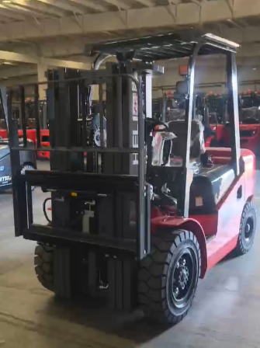
 |  |  |  |  |  | 190 | 122 | 65 | 1 | 1.5 | 220 |  | არა
Supplier N2 | EXW | No. 466, South End of Longtan Road, High-tech Zone, Daiyue District, Tai'an City, Shandong Province, China (Zhongxiang Heavy Industry) | Chiatura | SBL00005275 | Underground Loader spare parts | 162 | 102 | 73 | 1 | 1.21 | 1,550 | Plywood Box | Yes
 |  |  |  |  |  | 122 | 83 | 134 | 1 | 1.36 | 600 | Plywood Box | No
 |  |  |  |  |  | 122 | 83 | 134 | 1 | 1.36 | 600 | Plywood Box | No
 |  |  |  |  |  | 201 | 85 | 137 | 1 | 2.34 | 300 | Plywood Box | No
Supplier N3 | EXW | 山东省聊城临清市华美西路 山东益矿 张小姐 | Zestaponi | SBL00006188 | Drilling rods | 400 | 30 | 30 | 6 | 2.16 | 6,636 | Bundle | არა | 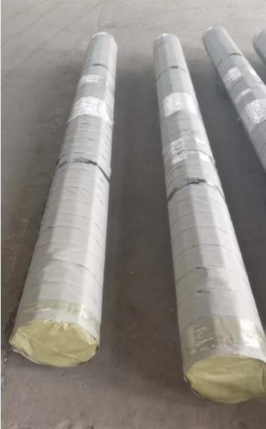
 |  |  |  |  |  | 400 | 32 | 32 | 2 | 0.82 | 2,652 | Bundle | არა

 |  |  |  |  |  |  |  |  | 14 | 18.13

