Sheet1
Supplier | Delivery Terms | Loading Address | Place of Unloading | Order # | Cargo | Length (cm.) | Width (cm.) | Height (cm.) | Quantity of Packages | Volume | Weight (kg.) | Stackable | Packaging Type | Photos
Supplier N1 | FOB | Qingdao | Chiatura | SBL00007319 | Howo Spare Parts | 112 | 100 | 117 | 1 | 1.31 | 830 | yes | Pallet | 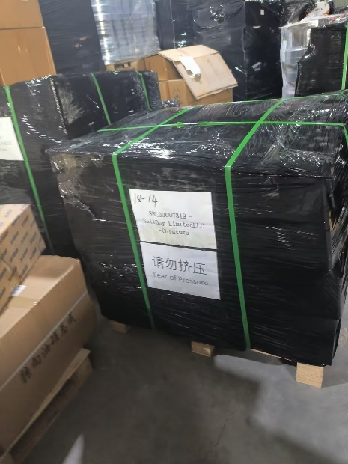 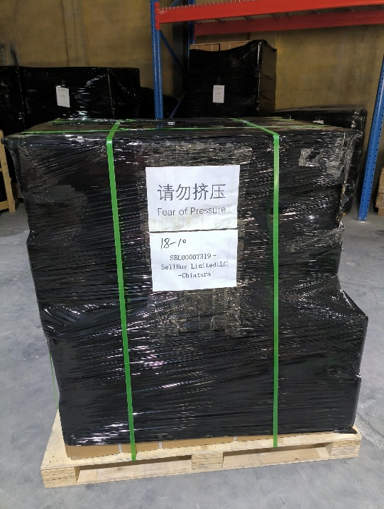 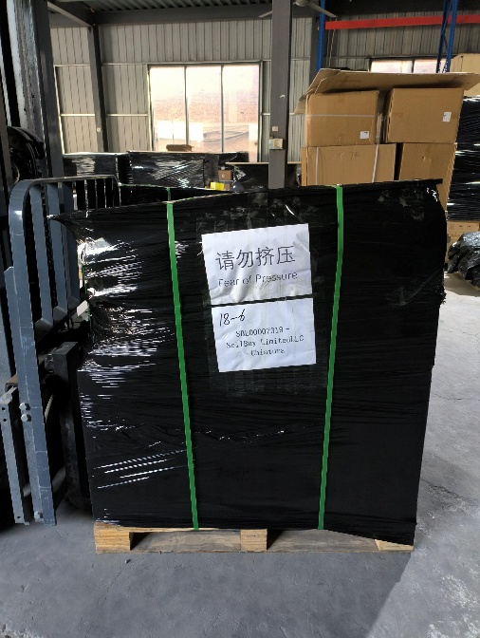 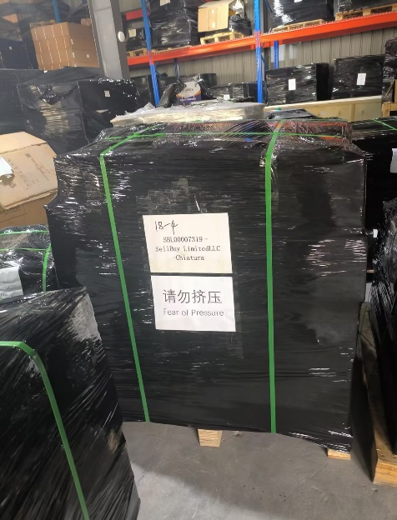
 |  |  |  |  |  | 113 | 113 | 72 | 1 | 0.92 | 1209 | yes | Pallet
 |  |  |  |  |  | 123 | 93 | 128 | 1 | 1.46 | 920 | yes | Pallet
 |  |  |  |  |  | 128 | 115 | 130 | 1 | 1.91 | 657 | no | Pallet
 |  |  |  |  |  | 175 | 48 | 37 | 1 | 0.31 | 368 | yes | Pallet
 |  |  |  |  |  | 112 | 110 | 126 | 1 | 1.55 | 190 | no | Pallet
 |  |  |  |  |  | 180 | 80 | 68 | 1 | 0.98 | 1760 | yes | Pallet
 |  |  |  |  |  | 118 | 93 | 66 | 1 | 0.72 | 549 | yes | Pallet
 |  |  |  |  |  | 85 | 70 | 73 | 1 | 0.43 | 555 | yes | Pallet
 |  |  |  |  |  | 125 | 110 | 134 | 1 | 1.84 | 117 | no | Pallet
 |  |  |  |  |  | 115 | 105 | 102 | 1 | 1.23 | 1148 | yes | Pallet
 |  |  |  |  |  | 115 | 115 | 60 | 1 | 0.79 | 583 | yes | Pallet
 |  |  |  |  |  | 110 | 110 | 60 | 1 | 0.73 | 672 | yes | Pallet
 |  |  |  |  |  | 115 | 113 | 94 | 1 | 1.22 | 500 | no | Pallet
 |  |  |  |  |  | 77 | 58 | 47 | 4 | 0.84 | 772 | yes | Pallet
Supplier N2 | EXW | Liuyuan, Yanshan Town, Yanshan County, Cangzhou City, Hebei Province | Chiatura | SBL00007317 | Conveyor Spare Parts | 39 | 28 | 23 | 1 | 0.03 | 23 | არა | Carton | 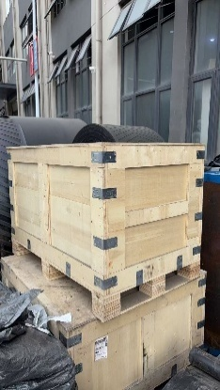 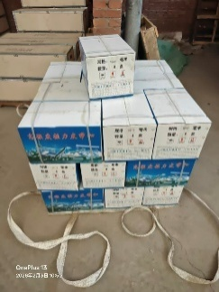
 |  |  |  |  |  | 42 | 31 | 29 | 25 | 0.94 | 725 | არა | Carton
 |  |  |  |  |  | 120 | 120 | 120 | 1 | 1.73 | 1,200 | არა | Wooden Case
 |  |  |  |  |  | 120 | 120 | 120 | 2 | 3.46 | 2,000 | არა | Wooden Case
Supplier N3 | FOB | Qingdao | Chiatura |  | Hammers | 103 | 88 | 123 | 1 | 1.11 | 518 |  | Wooden Case
 |  |  |  |  | Sp. Parts | 69 | 59 | 65 | 1 | 0.264615 | 112 |  | Wooden Case
 |  |  |  |  | Pallet Jack | 194 | 88 | 67 | 1 | 1.143824 | 139 |  | Wooden Pallet
 |  |  |  |  | Sockets | 68 | 41 | 59 | 1 | 0.164492 | 100 |  | Wooden Case
 |  |  | Chiatura |  | Welding Machines | 115 | 120 | 150 | 1 | 2.07 | 308 |  | Pallet
 |  |  | Chiatura |  | Gear Hob Cutter | 33 | 30 | 15 | 1 | 0.01485 | 12 |  | Carton
 |  |  | Chiatura |  | Rubber Gasket | 56 | 18.5 | 18.5 | 1 | 0.019166 | 15 |  | Carton
 |  |  | Chiatura |  | Valves | 120 | 70 | 50 | 1 | 0.42 | 145 |  | Wooden Case
 |  |  | Chiatura |  | Rail Track Drill | 37 | 27 | 17 | 1 | 0.016983 | 4 |  | Carton
 |  |  | Chiatura |  | Cutting Disc | 44 | 44 | 17 | 4 | 0.131648 | 64 |  | Carton
 |  |  | Chiatura |  | Pressure Spring | 52 | 40 | 30 | 1 | 0.0624 | 41.2 |  | Carton
 |  |  | Zestaponi |  | Drilling Bits | 73 | 50 | 72 | 2 | 0.5256 | 854 |  | Wooden Box
Supplier N4 | EXW | Jinan City, Shandong Province, China | Chiatura | SBL00006830 | Weldable Elbows | 100 | 100 | 50 | 1 | 0.5 | 586 |  | Bag | 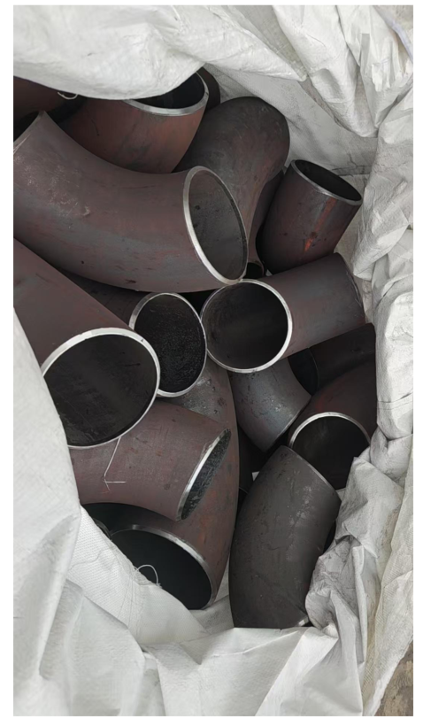
Supplier N5 | EXW | 山东临清华美路西1000米山东益矿张小姐 | Chiatura | SBL00007337 | Spiral trapezius drill | 201 | 80 | 80 | 1 | 1.29 | 500 |  | Pallet
Supplier N6 | FCA | Qingdao | Zestaponi | SBL00007745 | Drying Cabinet | 80 | 57 | 72 | 3 | 0.98 | 145 |  | Carton
 | FOB | Qingdao | Chiatura | SBL00007310 | Doosan & Hyundai Spare Parts | 165 | 112 | 140 | 1 | 2.59 | 860 |  | Pallet
 |  |  |  |  |  | 50 | 45 | 45 | 1 | 0.10 | 398 |  | Bag
 |  |  |  |  |  | 50 | 45 | 45 | 1 | 0.10 | 220 |  | Bag
 |  |  |  |  |  |  |  |  | 4 |  | 1366 |  | Pallet
 |  |  | Chiatura | SBL00007581 | Doosan Sp. Parts |  |  |  |  |  | 30 |  | Carton
 | FCA | Qingdao | Zestaponi | SBL00008318 | Drilling Bits | 61 | 56 | 60 | 1 | 0.20 | 670 |  | Wooden Box
 |  |  |  |  | Drilling Rods | 235 | 43 | 27 | 1 | 0.27 | 1100 |  | Pallet

 |  |  |  |  |  |  |  |  |  | 34.41 | 22965.2

