Sheet1
Supplier | Delivery Terms | Loading Address | Place of Unloading | Order # | Cargo | Length (cm.) | Width (cm.) | Height (cm.) | Quantity of Packages | Volume | Weight (kg.) | Stackable | Packaging Type | Photo
Supplier N1 | FCA | Qingdao | Chiatura | SBL00008220 | Cast Iron Valves | 60 | 60 | 160 | 2 | 1.15 | 1,460 | არა | Nude
 | FCA |  | Chiatura | SBL00007977 | Weighting sensors | 82 | 67 | 68 | 1 | 0.37 | 108 | არა | Pallet
 | FOB |  | Chiatura | SBL00007809 | Self-Rescuer K-SB50 | 84 | 91 | 150 | 7 | 8.03 | 2,545 | არა | Pallet
 | FCA |  | Chiatura | SBL00007961 | Spikes | 110 | 110 | 120 | 1 | 1.45 | 1,773 | არა | Bags on Pallet
 | FCA |  | Zestaponi | SBL00006797 | Mechanical spare parts | 250 | 110 | 60 | 1 | 1.65 | 923 | არა | Pallet
 |  |  |  |  |  | 125 | 65 | 60 | 1 | 0.49 | 660 | არა | Wooden Box
 | FCA |  | Zestaponi | SBL00007649 | Cross arm for lifting of buckets d8961.00 | 227 | 95 | 95 | 1 | 2.05 | 2,370 | არა | Pallet
 | FCA |  | Zestaponi | SBL00007653 | Solder for copper | 100 | 60 | 50 | 1 | 0.3 | 420 | არა | Pallet
 | FCA |  | Chiatura | SBL00007550 | Electrical Devices | 110 | 110 | 136 | 1 | 1.65 | 450 | არა | Pallet
 | FCA |  | Zestaponi | SBL00006866 | Bulbs | 121 | 34 | 21 | 13 | 1.12 | 130 | არა | Pallet
 |  |  |  |  |  | 64 | 64 | 47 | 2 | 0.39 | 42 | არა | Pallet
 |  |  |  |  |  | 49 | 78 | 77 | 13 | 3.83 | 305 | არა | Cartons
 | FCA |  | Chiatura | SBL00007943 | Underground Loader Spare Parts | 100 | 70 | 90 | 1 | 0.63 | 970 | არა | Box
 |  |  |  |  |  | 90 | 100 | 100 | 1 | 0.9 | 460 | არა | Pallet
 |  |  |  |  |  | 23 | 23 | 23 | 3 | 0.04 | 75 | არა | Cartons
 |  |  |  |  |  | 35 | 35 | 40 | 8 | 0.39 | 200 | არა | Cartons
 |  |  |  |  |  | 75 | 75 | 80 | 1 | 0.45 | 860 | არა | Pallet
 |  |  |  |  |  | 10 | 10 | 10 | 2 |  | 6 | არა | Cartons
 |  |  |  |  |  | 35 | 35 | 40 | 1 | 0.05 | 8 | არა | Cartons
 |  |  |  |  |  | 61 | 37 | 35 | 1 | 0.08 | 10 | არა | Cartons
 |  |  |  |  |  | 70 | 30 | 30 | 1 | 0.06 | 10 | არა | Cartons
Supplier N2 | FOB | Qingdao | Chiatura | SBL00007947 | HOWO Spare Parts | 118 | 113 | 200 | 1 | 2.67 | 1,782 | With light cargo | Pallet
 |  |  | Chiatura |  |  | 117 | 106 | 120 | 1 | 1.49 | 796 | With light cargo | Pallet
 |  |  | Chiatura |  |  | 110 | 63 | 76 | 1 | 0.53 | 380 | With light cargo | Wooden Box
 |  |  | Chiatura |  |  | 57 | 77 | 49 | 1 | 0.22 | 195 | With light cargo | Wooden Box
 |  |  | Chiatura |  |  | 57 | 77 | 49 | 1 | 0.22 | 195 | With light cargo | Wooden Box
 |  |  | Chiatura |  |  | 80 | 200 | 31 | 1 | 0.5 | 174 | Yes | Pallet
 |  |  | Chiatura |  |  | 150 | 40 | 30 | 1 | 0.18 | 256 | Yes | Pallet
 |  |  | Zestaponi |  |  | 114 | 100 | 157 | 1 | 1.79 | 460 | No | Pallet
 |  |  | Zestaponi |  |  | 123 | 62 | 75 | 1 | 0.57 | 439 | With light cargo | Wooden Box | 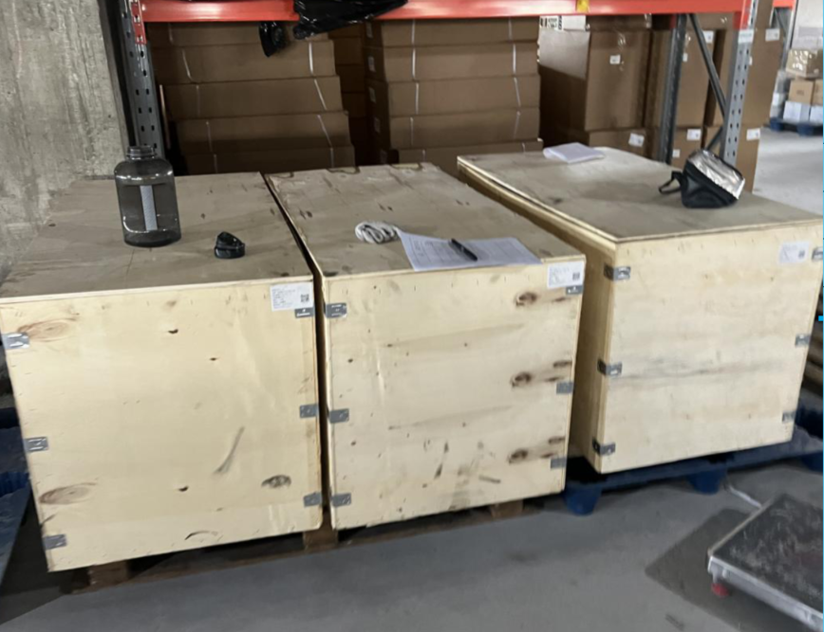
 |  |  | Zestaponi |  |  | 123 | 62 | 75 | 1 | 0.57 | 439 |  | Wooden Box
 |  |  | Zestaponi |  |  | 123 | 62 | 75 | 1 | 0.57 | 439 |  | Wooden Box
Supplier N3 | FOB | Tianjin | Chiatura | SBL00007525 | Showels |  |  |  | 166 | 3 | 3,004 | არა | Bags

 |  |  |  |  |  |  |  |  |  | 37.39 | 22,344

