Sheet1
NO | Order Number | Packing form | Packing Quantity | unit packing KG（G.W） | unit packing Dimension(L*W*H (m)) | Total Weight kg | total volume CBM | stackable or not | Photos | Exact pick up address
1 | NO. 23-SBL00007966 | Wooden case packing | 1 | 825 | 0.96*0.76*0.55 | 825 | 0.4 | yes (but prohibited to damage the package by stacking/pressing.) | 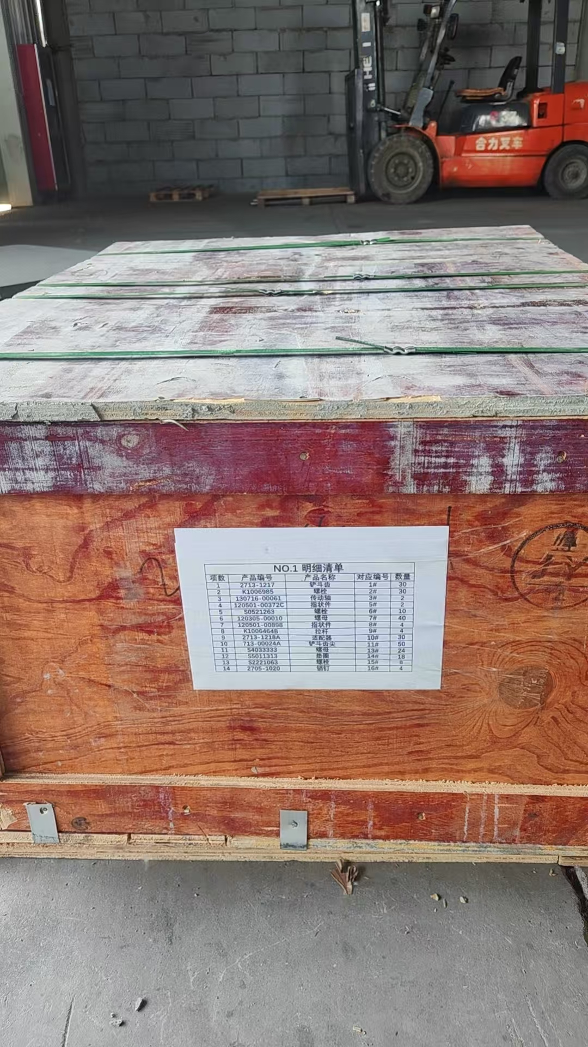 | 山东省济南市槐荫区吴家堡济齐路308号 18801206105 | No. 308, Jiqi Road, Wujiabao, Huaiyin District, Jinan City, Shandong Province, Mr Sun18801206105
 |  |  | 1 | 240 | 2.05*0.46*0.43 | 240 | 0.41 | yes (but prohibited to damage the package by stacking/pressing.) |  |  | No. 308, Jiqi Road, Wujiabao, Huaiyin District, Jinan City, Shandong Province, Mr Sun18801206105
 |  |  | 1 | 246 | 2.05*0.46*0.49 | 246 | 0.46 | yes (but prohibited to damage the package by stacking/pressing.) |  |  | No. 308, Jiqi Road, Wujiabao, Huaiyin District, Jinan City, Shandong Province, Mr SUN 18801206105
2 | NO:24-SBL00008139 | wood frame packaging | 4 | 51 | 1*0.72*0.58 | 204 | 1.68 | yes (but prohibited to damage the package by stacking/pressing.) | 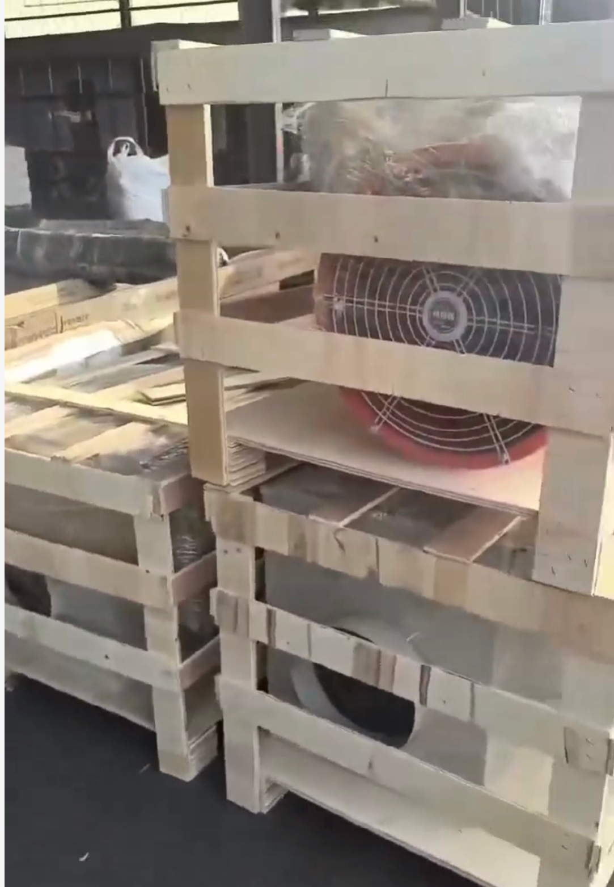 | 山东省潍坊市青州市玲珑山北路与瑞利街交叉口正东方向330米左右 18801206105 | Approximately 330 meters east of the intersection of Linglongshan North Road and Ruili Street, Qingzhou City, Weifang City, Shandong Province. Mr Sun 18801206105
3 | NO. 19-SBL00007783 | Wooden case packing | 1 | 470 | 1.52*1.12*1.24 | 470 | 2.11 | yes (but prohibited to damage the package by stacking/pressing.) |  | Deliverable to SBL China forwarder warehouse. | forwarder warehouse.
4 | NO. 20-SBL00007784 | Wooden case packing | 2 | 4 | 0.47*0.24*0.16 | 8 | 0.04 | yes (but prohibited to damage the package by stacking/pressing.) |  |  | forwarder warehouse.
5 | NO. 22-SBL00007825 | carton packing | 1 | 25 | 0.495*0.245*0.26 | 25 | 0.03 | NO |  | Deliverable to SBL China forwarder warehouse. | forwarder warehouse.
6 |  | carton packing | 3 | 36 | 0.55*0.31*0.34*3 | 133 | 0.18 | NO |  | Deliverable to SBL China forwarder warehouse. | forwarder warehouse.
7 | NO. 21-SBL00007806 | carton packing | 1 | 60 | 0.33*0.93*0.29 | 60 | 0.09 | NO |  | Deliverable to SBL China forwarder warehouse. | forwarder warehouse.
8 |  | carton packing | 1 | 58 | 0.33*0.93*0.29 | 58 | 0.09 | NO |  | Deliverable to SBL China forwarder warehouse. | forwarder warehouse.
9 |  | carton packing | 1 | 8 | 0.17*0.17*0.24 | 8 | 0.01 | NO |  | Deliverable to SBL China forwarder warehouse. | forwarder warehouse.
 | total |  |  |  |  | 2277 | 5.5

