Sheet1
 | Order | QTY | Price
 | Total Quantity | 532

Staff | Visual | XS | S | M | L | XL | 2XL | 3XL | 4XL | 5XL | 6XL | 8XL | QTY | Unit Price | Total Price
Consultant, Chief Cashier, Cashier, Cashier-Consultant, Senior Cashier. | 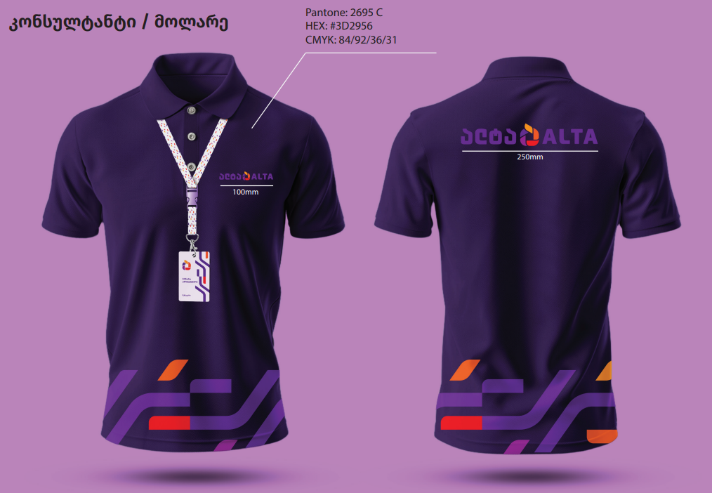 | 30 | 50 | 100 | 40 | 30 | 50 | 16 | 32 | 4 | 6 |  | 358 |  | -
Expert, Expert-Consultant, Section Manager. | 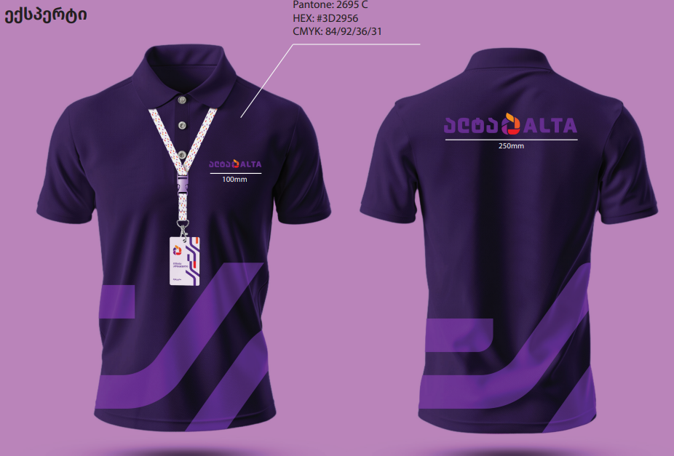 | 4 |  | 12 |  | 8 | 6 | 4 | 4 |  |  |  | 38 |  | -
Inventory Coordinator, Quality Management Coordinator, Inventory Management Coordinator, Quality Coordinator, Junior Inventory Coordinator. | 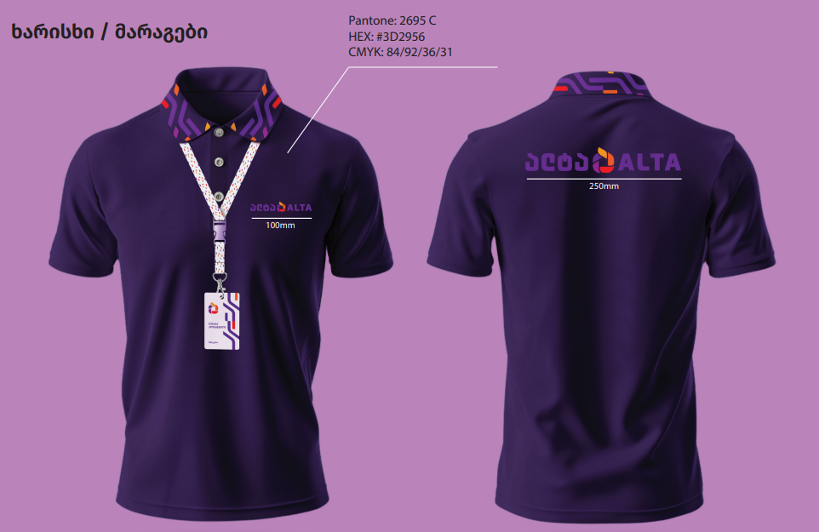 | 4 | 2 | 4 | 4 |  | 2 | 4 | 2 |  |  |  | 22 |  | -
Technician | 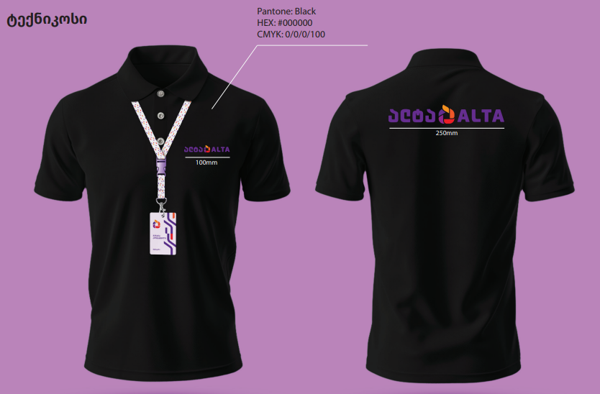 | 2 |  | 10 | 10 | 10 | 4 | 8 | 6 | 2 | 4 | 4 | 60 |  | -
Warehouse Worker | 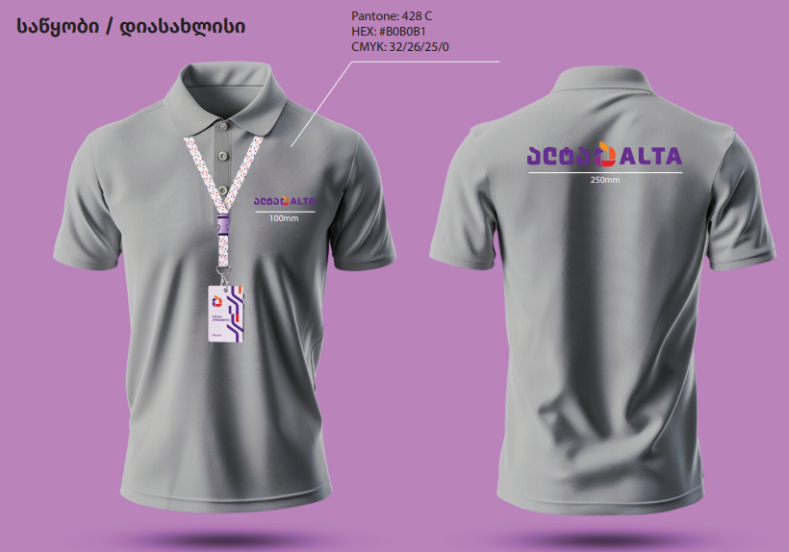 | 2 | 2 |  | 16 | 10 |  | 10 | 14 |  |  |  | 54 |  | -
 | Quantity |  |  |  |  |  |  |  |  |  |  |  | 532 |  | -

